Metadata
Dataset: INS Results
Last updated: 15 September 2010 (Ruth and Carrie Rose)
Site: Bartlett Experimental Forest, Stand C8-1
Date: 8-12 June 2009
Investigators: Ruth Yanai, Lucian Wielopolski
- INS was operated by Lucian Wielopolski and Sudeep Mitra (Brookhaven National Lab)
contact: Lucian Wielopolski <lwielo@bnl.gov>
- Ruth Yanai, Matthew Vadeboncoeur, Carrie Rose Levine, and USFS representatives were also present
Related Publication:
Wielopolski, L., R.D. Yanai, C.R. Levine, S. Mitra, and M.A Vadeboncoeur. 2010. A Non-destructive Fast Analysis of Forest Soils Using Gamma-Ray Spectroscopy. For. Ecol. Manag. 260:1132-1137
Notes:
Methods:
- The INS was used in site C8-1, and data was measured over a 5-day period.
- 9 locations were measured in total (with an area of approximately 1m x 1m)
- Two of the sites (P2 and P4) were measured 2 and 3 times, respectively, to determine error between measurements.
Measurement Locations:
(Blue box represents the location of the soil pit in C8-1; P1 is located ~2 m from the pit)
Sheet Index:
Tab 1: "INS 2009 prelim. data"
- Data sent by Lucian Wielopolski to Carrie Rose on 10 September 2009
- Data units are in counts as measured by the INS. This is not in units of mass or concentration, and must be calibrated to measurements determined by lab analysis of soil samples.
- The locations of the measurements are notated with "P" followed by a number.
- Points 3 and 6 are the same point. The instrument was moved and returned to that point. Points 2 and 4 have repeated measurements designated by lower-case letters. The instrument was not moved between measurements.
Tab 2: "Final data"
- These are the data that appear in the publication. The relationship between these numbers and the preliminary numbers are inconsistent. For Si and O, the preliminary data correspond to the INS counts. For H, the preliminary data correspond to TNC counts. For C, the preliminary data do not correspond to either the INS or the TNC counts.
- Calculations show mean and SD of the total points, and of the repeated data points
Tab 3: "Averages"
- Calculations of average counts using different combinations of the total points
Tab 4: "Graphs"
- Bar graphs of the INS signal of C, Si, H, and O for all data points
Known Problems: We have no documentation of how the final data were derived. It looks like Lucian selected either the TNC or the INS data to provide the preliminary data for Si, H, and O. The preliminary C data is intermediate between the INS and TNC counts, but is not the average.

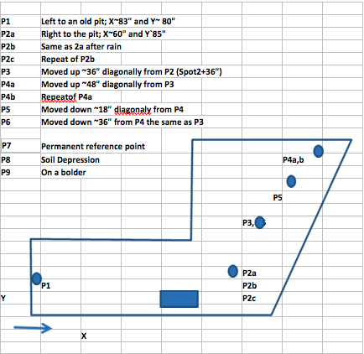

graphs
 | Silicon |  | Hydrogen |  | Carbon |  | Oxygen
 | TNC | INS | TNC | INS | TNC | INS | TNC | INS
1 | 713,938 | 682,674 | 2,752,689 | 548,624 | 70,506 | 145,112 | 357,158 | 570,484
2a | 673,797 | 675,003 | 2,541,932 | 503,547 | 80,511 | 154,958 | 384,122 | 635,882
2b | 661,128 | 607,618 | 2,978,648 | 520,766 | 82,239 | 156,328 | 367,527 | 617,471
2c | 697,345 | 624,056 | 2,949,443 | 536,814 | 82,839 | 159,011 | 378,192 | 626,975
3 | 670,762 | 642,376 | 2,746,527 | 518,604 | 78,380 | 142,860 | 375,258 | 618,241
4a | 751,590 | 716,554 | 2,346,603 | 480,241 | 84,437 | 149,389 | 373,193 | 614,297
4b | 719,212 | 711,176 | 2,326,724 | 456,573 | 90,991 | 138,774 | 381,314 | 606,155
5 | 739,502 | 701,907 | 2,366,435 | 478,772 | 80,084 | 143,312 | 384,664 | 613,437
6 | 682,439 | 664,908 | 2,343,836 | 478,763 | 83,749 | 142,657 | 395,498 | 621,711
7 | 649,401 | 546,499 | 3,613,120 | 616,770 | 71,799 | 178,816 | 361,826 | 623,239
8 | 736,759 | 590,027 | 3,226,304 | 561,463 | 76,780 | 158,807 | 388,057 | 633,689
9 | 514,655 | 700,510 | 859,688 | 330,652 | 43,571 | 98,127 | 327,703 | 508,140

INS signal
 | Silicon | Hydrogen | Carbon | Oxygen
1 | 682,674 | 548,624 | 145,112 | 570,484
2a | 675,003 | 503,547 | 154,958 | 635,882
2b | 607,618 | 520,766 | 156,328 | 617,471
2c | 624,056 | 536,814 | 159,011 | 626,975
3 | 642,376 | 518,604 | 142,860 | 618,241
4a | 716,554 | 480,241 | 149,389 | 614,297
4b | 711,176 | 456,573 | 138,774 | 606,155
5 | 701,907 | 478,772 | 143,312 | 613,437
6 | 664,908 | 478,763 | 142,657 | 621,711
7 | 546,499 | 616,770 | 178,816 | 623,239
8 | 590,027 | 561,463 | 158,807 | 633,689
9 | 700,510 | 330,652 | 98,127 | 508,140

