SAS_CODE
DATA B;
INPUT SITE $5. CA K MG P;
DATALINES;
C1 0.20549464 0.279889836 0.488935886 0.045351338
C2 0.06572548 0.18674398 0.1681075 0.025354139
C4 0.053787842 0.123814651 0.122750734 0.041527625
C6 0.101491258 0.359410516 0.477624523 0.088654319
C8 0.210268954 0.245573836 0.444331544 0.113441291
C9 0.214875516 0.282485722 0.466597785 0.221100742
H1 0.074962614 0.259513739 0.204332843 0.082161532
H4 0.135993008 0.2717764 0.447303057 0.159112441
H6 0.192982186 0.26185086 0.32897767 0.142100084
M5 0.315662706 1.150730072 2.648658005 0.535010962
M6 0.114296261 0.20292148 0.152262379 0.104660662
T30 0.329595005 1.191245029 2.299964736 0.446136787
CC2 0.25015276 0.168679483 0.163062216 0.074219811
H2 0.066509601 0.202140959 0.157032073 0.083761454
H3 0.053604873 0.308040871 0.477723165 0.073201094
H5 0.067983331 0.208648309 0.287843824 0.061773826
HB101 0.279478658 1.854210223 4.1063884 0.119250406
M3 0.082535703 1.069652233 2.301009534 0.218163674
M4 0.248318493 0.561732539 1.553695901 0.228070894
T20 0.500337936 0.342262997 0.417025539 0.324473396
;
PROC PRINT DATA=B;
RUN;
*****First_Cluster analysis for Ca Mg P********;
proc cluster data=B method=ward outtree=tree;
ID SITE;
VAR CA MG P;
RUN;
PROC TREE DATA=TREE;
RUN;
********Second_cluster analysis for Ca Mg P K******;
Proc cluster data=B method=ward outtree=tree2;
ID Site;
Var Ca K Mg P;
run;
proc tree data=tree2;
run;

SAS_OUPUT_Ca_Mg_P
The SAS System

The CLUSTER Procedure
Ward's Minimum Variance Cluster Analysis

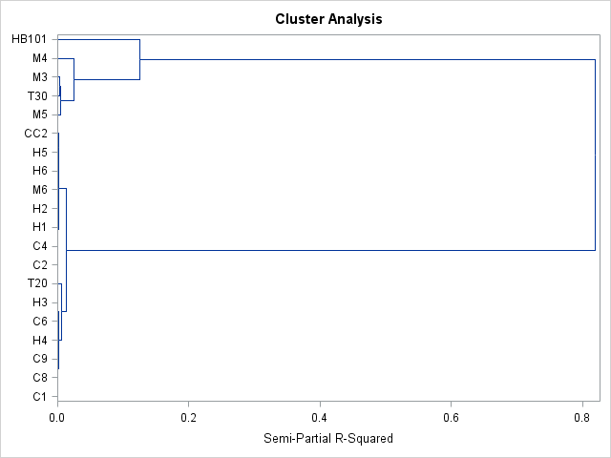
Eigenvalues of the Covariance Matrix
 | Eigenvalue | Difference | Proportion | Cumulative
1 | 1.21960765 | 1.19953869 | 0.9799 | 0.9799
2 | 0.02006896 | 0.01515583 | 0.0161 | 0.9961
3 | 0.00491313 |  | 0.0039 | 1

Root-Mean-Square Total-Sample Standard Deviation | 0.644099
Root-Mean-Square Distance Between Observations | 1.577713

Cluster History
Number | Clusters Joined |  | Freq | Semipartial | R-Square | Tie
of |  |  |  | R-Square
Clusters
19 | H1 | H2 | 2 | 0 | 1
18 | C2 | C4 | 2 | 0.0001 | 1
17 | C6 | H3 | 2 | 0.0001 | 1
16 | CL19 | M6 | 3 | 0.0001 | 1
15 | C1 | C8 | 2 | 0.0001 | 1
14 | C9 | H4 | 2 | 0.0002 | 0.999
13 | CL18 | CL16 | 5 | 0.0002 | 0.999
12 | H6 | H5 | 2 | 0.0005 | 0.999
11 | CL15 | CL14 | 4 | 0.0006 | 0.998
10 | CL11 | CL17 | 6 | 0.0009 | 0.997
9 | CL12 | CC2 | 3 | 0.001 | 0.996
8 | CL13 | CL9 | 8 | 0.0015 | 0.995
7 | T30 | M3 | 2 | 0.0024 | 0.992
6 | M5 | CL7 | 3 | 0.0049 | 0.987
5 | CL10 | T20 | 7 | 0.006 | 0.981
4 | CL5 | CL8 | 15 | 0.0129 | 0.968
3 | CL6 | M4 | 4 | 0.0245 | 0.944
2 | CL3 | HB101 | 5 | 0.1248 | 0.819
1 | CL4 | CL2 | 20 | 0.819 | 0

SAS_output_Ca_Mg__P_K
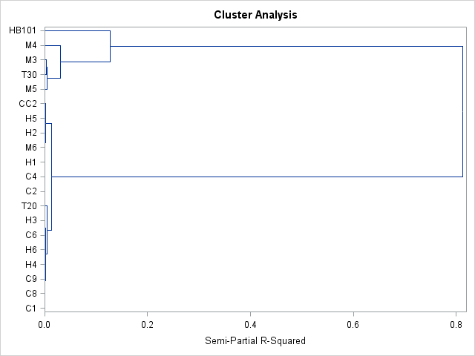
The CLUSTER Procedure
Ward's Minimum Variance Cluster Analysis

Eigenvalues of the Covariance Matrix
 | Eigenvalue | Difference | Proportion | Cumulative
1 | 1.43049931 | 1.41042799 | 0.9805 | 0.9805
2 | 0.02007132 | 0.0151533 | 0.0138 | 0.9943
3 | 0.00491802 | 0.0014807 | 0.0034 | 0.9976
4 | 0.00343732 |  | 0.0024 | 1

Root-Mean-Square Total-Sample Standard Deviation | 0.60393
Root-Mean-Square Distance Between Observations | 1.708172

Cluster History
Number | Clusters Joined |  | Freq | Semipartial | R-Square | Tie
of |  |  |  | R-Square
Clusters
19 | M6 | H2 | 2 | 0 | 1
18 | C6 | H3 | 2 | 0.0001 | 1
17 | C2 | C4 | 2 | 0.0001 | 1
16 | C1 | C8 | 2 | 0.0001 | 1
15 | H1 | CL19 | 3 | 0.0001 | 0.999
14 | C9 | H4 | 2 | 0.0002 | 0.999
13 | CL17 | CL15 | 5 | 0.0004 | 0.999
12 | CL14 | H6 | 3 | 0.0005 | 0.998
11 | CL13 | H5 | 6 | 0.0005 | 0.998
10 | CL16 | CL12 | 5 | 0.0005 | 0.997
9 | CL11 | CC2 | 7 | 0.001 | 0.996
8 | CL10 | CL18 | 7 | 0.0011 | 0.995
7 | T30 | M3 | 2 | 0.0023 | 0.993
6 | M5 | CL7 | 3 | 0.0042 | 0.989
5 | CL8 | T20 | 8 | 0.0051 | 0.984
4 | CL5 | CL9 | 15 | 0.013 | 0.971
3 | CL6 | M4 | 4 | 0.0299 | 0.941
2 | CL3 | HB101 | 5 | 0.1279 | 0.813
1 | CL4 | CL2 | 20 | 0.8128 | 0

