Exercise 1a
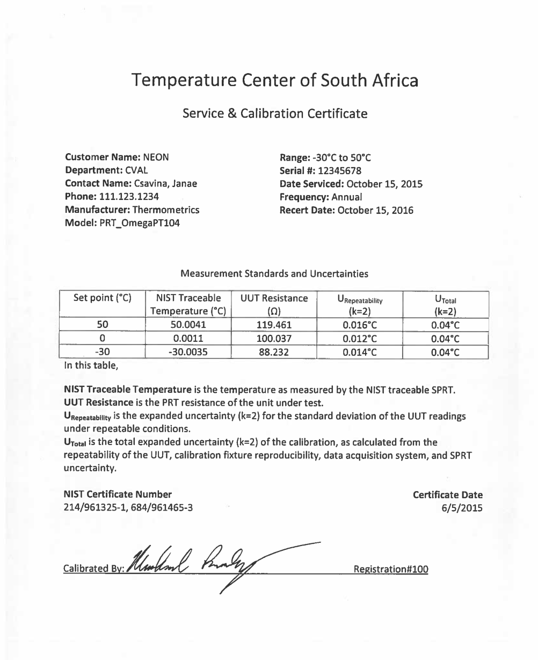
Description: A single aspirated temperature sensor reading in °C is taking measurements once a minute. For your analysis, you are using the minute readings for trending. The calibration certificate for the temperature sensor is provided. Find the expanded measurement uncertainty with a confidence level of 95% that includes repeatability and the calibration uncertainty components.

Example Application: Temperature sensor reading in °C

Food for Thought: How is repeatability acquired for this example?

Data:
Date | Time | Temperature (°C)
10-Oct-16 | 1:00:00 | 26.100
 | 1:01:00 | 26.114
 | 1:02:00 | 26.121
 | 1:03:00 | 26.134
 | 1:04:00 | 26.117
 | 1:05:00 | 26.146
 | 1:06:00 | 26.151
 | 1:07:00 | 26.167
 | 1:08:00 | 26.190
 | 1:09:00 | 26.176
 | 1:10:00 | 26.200

1a Solution
Description: A single aspirated temperature sensor reading in °C is taking measurements once a minute. For your analysis, you are using the minute readings for trending. The calibration certificate for the temperature sensor is provided. Find the expanded measurement uncertainty with a confidence level of 95% that includes repeatability and the calibration uncertainty components.

Example Application: Temperature sensor reading in °C

Food for Thought: How is repeatability acquired for this example?
 | Answer: You can do an experiment yourself to look at standard deviation in repeatable conditions (Type A analysis) or if the calibration certificate/manufacturer provides estimates for this, you can use these estimates (Type B analysis).

Data: |  |  |  |  | From the Sensor Calibration Certificate:
Date | Time | Temperature (°C)
10-Oct-16 | 1:00:00 | 26.100 | ± | 0.043 | Expanded Uncertainty | 0.040
 | 1:01:00 | 26.114 | ± | 0.043 | Coverage Factor | 2
 | 1:02:00 | 26.121 | ± | 0.043 | Calibration Uncertainty | 0.020
 | 1:03:00 | 26.134 | ± | 0.043 | Expanded Sensor Repeatability | 0.016
 | 1:04:00 | 26.117 | ± | 0.043 | Coverage Factor | 2
 | 1:05:00 | 26.146 | ± | 0.043 | Sensor Repeatability | 0.008
 | 1:06:00 | 26.151 | ± | 0.043
 | 1:07:00 | 26.167 | ± | 0.043 | Uncertainty Components | n | Uncertainty (°C)
 | 1:08:00 | 26.190 | ± | 0.043 | Calibration Uncertainty | 100 | 0.020
 | 1:09:00 | 26.176 | ± | 0.043 | Repeatability | 100 | 0.0080
 | 1:10:00 | 26.200 | ± | 0.043 | Combined Uncertainty |  | 0.022
 |  |  |  |  | Degrees of Freedom | 130
 |  |  |  |  | Expansion Factor | 1.98
 |  |  |  |  | Expanded Uncertainty |  | 0.043

1b Solution
Description: To better your uncertainty analysis from scenario 1a, you have acquired the manufacturer's quote for the aspirated shield's impact on temperature measurement accuracy is 0.02°C. Find the expanded measurement uncertainty with a confidence level of 95% for the minute measurements that includes repeatability, aspirated shield and the calibration uncertainty components.

Example Application: Temperature sensor reading in °C

Food for Thought: Notice the sensor's calibraiton certificate is almost up, what are some options to make the measurement traceable?
 | Answer: Recalibrate the sensor at a SI traceable facility or validate the sensor with another temperature that will allow you to remain in your uncertainty requirements.

Data: |  |  |  |  | From the Aspirated Shield Accuracy Quote:
Date | Time | Temperature (°C) |  |  | Accuracy | 0.02
10-Oct-16 | 1:00:00 | 26.100 | ± | 0.045 | Uncertainty | 0.0066666666667
 | 1:01:00 | 26.114 | ± | 0.045
 | 1:02:00 | 26.121 | ± | 0.045 | From the Sensor Calibration Certificate:
 | 1:03:00 | 26.134 | ± | 0.045
 | 1:04:00 | 26.117 | ± | 0.045 | Expanded Uncertainty | 0.040
 | 1:05:00 | 26.146 | ± | 0.045 | Coverage Factor | 2
 | 1:06:00 | 26.151 | ± | 0.045 | Calibration Uncertainty | 0.020
 | 1:07:00 | 26.167 | ± | 0.045 | Sensor Repeatability | 0.008
 | 1:08:00 | 26.190 | ± | 0.045
 | 1:09:00 | 26.176 | ± | 0.045 | Uncertainty Components | n | Uncertainty (°C)
 | 1:10:00 | 26.200 | ± | 0.045 | Calibration Uncertainty | 100 | 0.020
 |  |  |  |  | Aspirated Shield | 100 | 0.007
 |  |  |  |  | Repeatability | 100 | 0.0080
 |  |  |  |  | Combined Uncertainty |  | 0.023
 |  |  |  |  | Degrees of Freedom | 154
 |  |  |  |  | Expansion Factor | 1.98
 |  |  |  |  | Expanded Uncertainty |  | 0.045

1c Solution
Description: A single aspirated temperature sensor reading in °C is taking measurements once every 10 seconds. For your analysis, you are using minute averages for trending. The calibration certificate for the sensor is provided below. Find the expanded measurement uncertainty with a confidence level of 95% that includes repeatability and the calibration uncertainty components.

Example Application: Temperature sensor reading in °C

Food for Thought: How could you further reduce uncecrtainty of these measurements?
 | Answer: You could increase your sample frequency to once per second to have additional readings and better estimate your average. You could also find a calibration facility that provides a better uncertainty.

Data: |  |  |  | Analysis from the Data: |  |  |  |  |  | From the Sensor Calibration Certificate:
Date | Time | Temperature (°C) |  |  |  | Time | result |  | 95% CL
10-Oct-16 | 1:00:00 | 26.105 | 1 | average | 26.100 | 1:00:00 | 26.100 | ± | 0.040 | Expanded Uncertainty | 0.040
 | 1:00:10 | 26.103 | 2 | standard deviation | 0.006260990337 |  |  |  |  | Coverage Factor | 2
 | 1:00:20 | 26.093 | 3 | count | 6 |  |  |  |  | Calibration Uncertainty | 0.020
 | 1:00:30 | 26.104 | 4 | standard error | 0.0025560386017
 | 1:00:40 | 26.091 | 5
 | 1:00:50 | 26.104 | 6 |  |  |  |  |  |  | Uncertainty Components | n | Uncertainty (°C)
 | 1:01:00 | 26.114 | 1 | average | 26.114 | 1:01:00 | 26.114 | ± | 0.040 | Calibration Uncertainty | 100 | 0.020
 | 1:01:10 | 26.101 | 2 | standard deviation | 0.0077910204723 |  |  |  |  | Repeatability | 6 | 0.0026
 | 1:01:20 | 26.122 | 3 | count | 6 |  |  |  |  | Combined Uncertainty |  | 0.020
 | 1:01:30 | 26.122 | 4 | standard error | 0.0031806707888 |  |  |  |  | Degrees of Freedom | 102
 | 1:01:40 | 26.116 | 5 |  |  |  |  |  |  | Expansion Factor | 1.98
 | 1:01:50 | 26.112 | 6 |  |  |  |  |  |  | Expanded Uncertainty |  | 0.040
 | 1:02:00 | 26.127 | 1 | average | 26.121 | 1:02:00 | 26.121 | ± | 0.041
 | 1:02:10 | 26.107 | 2 | standard deviation | 0.013277801023
0.041666666667 | 26.1
0.042361111111 | 26.1145
0.043055555556 | 26.1215
0.04375 | 26.133666667
0.044444444444 | 26.117166667
0.045138888889 | 26.146
0.045833333333 | 26.151
0.046527777778 | 26.167333333
0.047222222222 | 26.1905
...
 | 1:02:20 | 26.130 | 3 | count | 6
 | 1:02:30 | 26.114 | 4 | standard error | 0.0054206395687
 | 1:02:40 | 26.141 | 5
 | 1:02:50 | 26.110 | 6
 | 1:03:00 | 26.130 | 1 | average | 26.134 | 1:03:00 | 26.134 | ± | 0.040
 | 1:03:10 | 26.132 | 2 | standard deviation | 0.0061860057118
 | 1:03:20 | 26.135 | 3 | count | 6
 | 1:03:30 | 26.145 | 4 | standard error | 0.0025254262567
 | 1:03:40 | 26.127 | 5
 | 1:03:50 | 26.133 | 6
 | 1:04:00 | 26.104 | 1 | average | 26.117 | 1:04:00 | 26.117 | ± | 0.040
 | 1:04:10 | 26.123 | 2 | standard deviation | 0.0086120071218
 | 1:04:20 | 26.111 | 3 | count | 6
 | 1:04:30 | 26.128 | 4 | standard error | 0.003515837185
 | 1:04:40 | 26.117 | 5
 | 1:04:50 | 26.120 | 6
 | 1:05:00 | 26.149 | 1 | average | 26.146 | 1:05:00 | 26.146 | ± | 0.040
 | 1:05:10 | 26.158 | 2 | standard deviation | 0.0094021274188
 | 1:05:20 | 26.142 | 3 | count | 6
 | 1:05:30 | 26.130 | 4 | standard error | 0.0038384024455
 | 1:05:40 | 26.147 | 5
 | 1:05:50 | 26.150 | 6
 | 1:06:00 | 26.152 | 1 | average | 26.151 | 1:06:00 | 26.151 | ± | 0.040
 | 1:06:10 | 26.153 | 2 | standard deviation | 0.0054772255751
 | 1:06:20 | 26.143 | 3 | count | 6
 | 1:06:30 | 26.159 | 4 | standard error | 0.0022360679775
 | 1:06:40 | 26.152 | 5
 | 1:06:50 | 26.147 | 6
 | 1:07:00 | 26.169 | 1 | average | 26.167 | 1:07:00 | 26.167 | ± | 0.040
 | 1:07:10 | 26.169 | 2 | standard deviation | 0.007607014307
 | 1:07:20 | 26.162 | 3 | count | 6
 | 1:07:30 | 26.161 | 4 | standard error | 0.0031055505864
 | 1:07:40 | 26.162 | 5
 | 1:07:50 | 26.181 | 6
 | 1:08:00 | 26.193 | 1 | average | 26.190 | 1:08:00 | 26.190 | ± | 0.041
 | 1:08:10 | 26.188 | 2 | standard deviation | 0.01170897092
 | 1:08:20 | 26.172 | 3 | count | 6
 | 1:08:30 | 26.205 | 4 | standard error | 0.0047801673611
 | 1:08:40 | 26.185 | 5
 | 1:08:50 | 26.200 | 6
 | 1:09:00 | 26.174 | 1 | average | 26.176 | 1:09:00 | 26.176 | ± | 0.040
 | 1:09:10 | 26.190 | 2 | standard deviation | 0.0073484692284
 | 1:09:20 | 26.175 | 3 | count | 6
 | 1:09:30 | 26.175 | 4 | standard error | 0.003
 | 1:09:40 | 26.174 | 5
 | 1:09:50 | 26.168 | 6
 | 1:10:00 | 26.195 | 1 | average | 26.200 | 1:10:00 | 26.200 | ± | 0.040
 | 1:10:10 | 26.202 | 2 | standard deviation | 0.0059217114643
 | 1:10:20 | 26.197 | 3 | count | 6
 | 1:10:30 | 26.205 | 4 | standard error | 0.0024175285819
 | 1:10:40 | 26.207 | 5
 | 1:10:50 | 26.192 | 6

Exercise 1d
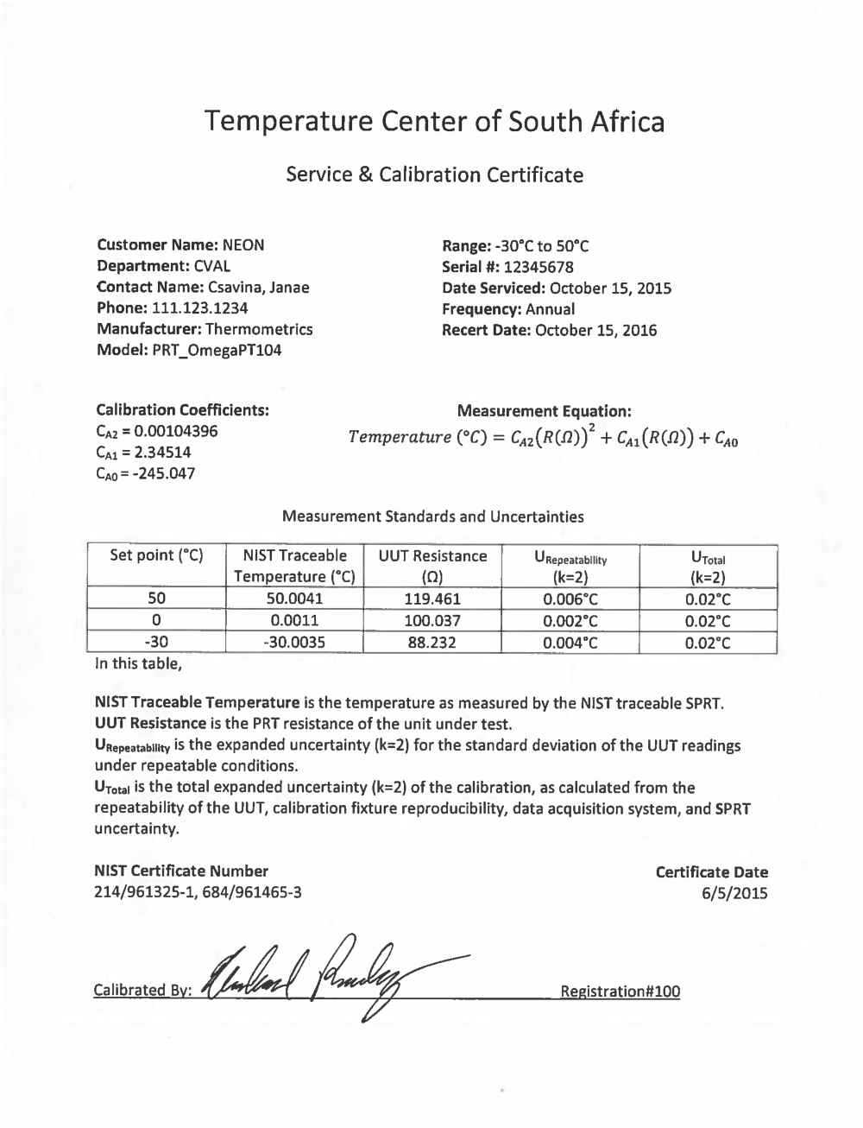
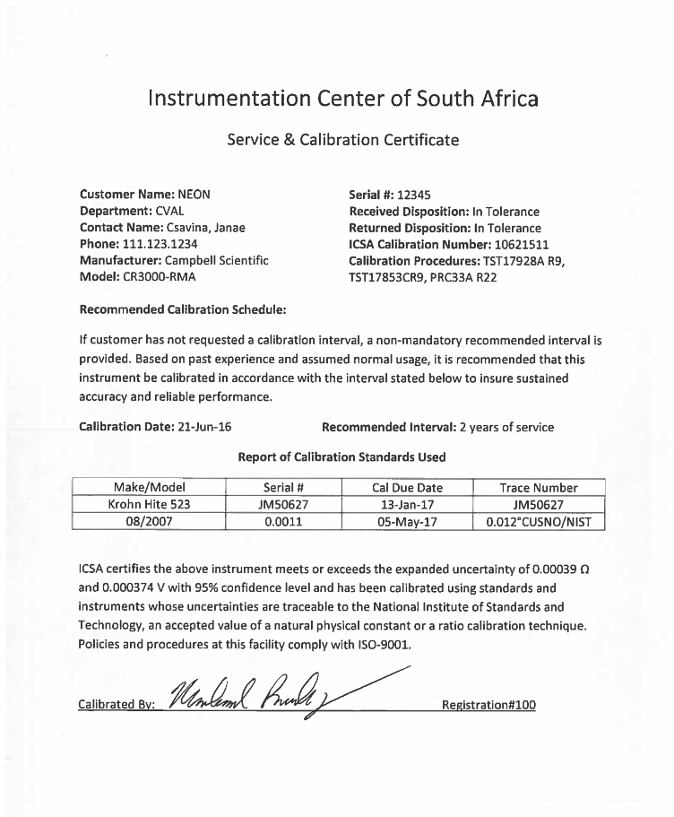
Description: A single aspirated temperature sensor reading in ohms is taking measurements once a second. For your analysis, you are using minute averages for trending. The calibration certificates for the sensor and data acquisition system (DAS) are provided below. Find the expanded measurement uncertainty with a confidence level of 95% for 1 minute of data that includes repeatability, DAS calibration and sensor calibration uncertainty components.

Example Application: Temperature sensor reading in ohm

Food for Thought: (1) How is the DAS uncertainty quoted in ohms transitioned to degrees C? (2) What other components could be affecting uncertainty in measurement?

Data:
Date | Time | Temperature (ohm)
10-Oct-16 | 1:00:00 | 110.0855
 | 1:00:01 | 110.0968
 | 1:00:02 | 110.1233
 | 1:00:03 | 110.1062
 | 1:00:04 | 110.0991
 | 1:00:05 | 110.1025
 | 1:00:06 | 110.1111
 | 1:00:07 | 110.1049
 | 1:00:08 | 110.0955
 | 1:00:09 | 110.0882
 | 1:00:10 | 110.0923
 | 1:00:11 | 110.1108
 | 1:00:12 | 110.0872
 | 1:00:13 | 110.0946
 | 1:00:14 | 110.0959
 | 1:00:15 | 110.1109
 | 1:00:16 | 110.1072
 | 1:00:17 | 110.0925
 | 1:00:18 | 110.0970
 | 1:00:19 | 110.1060
 | 1:00:20 | 110.0906
 | 1:00:21 | 110.0942
 | 1:00:22 | 110.1005
 | 1:00:23 | 110.0961
 | 1:00:24 | 110.1062
 | 1:00:25 | 110.0873
 | 1:00:26 | 110.0946
 | 1:00:27 | 110.0951
 | 1:00:28 | 110.0854
 | 1:00:29 | 110.0930
 | 1:00:30 | 110.0979
 | 1:00:31 | 110.0989
 | 1:00:32 | 110.0896
 | 1:00:33 | 110.1069
 | 1:00:34 | 110.1154
 | 1:00:35 | 110.1022
 | 1:00:36 | 110.1062
 | 1:00:37 | 110.0895
 | 1:00:38 | 110.1027
 | 1:00:39 | 110.1003
 | 1:00:40 | 110.0927
 | 1:00:41 | 110.1044
 | 1:00:42 | 110.0941
 | 1:00:43 | 110.1171
 | 1:00:44 | 110.0821
 | 1:00:45 | 110.0948
 | 1:00:46 | 110.0982
 | 1:00:47 | 110.1028
 | 1:00:48 | 110.1067
 | 1:00:49 | 110.0956
 | 1:00:50 | 110.0999
 | 1:00:51 | 110.1156
 | 1:00:52 | 110.1000
 | 1:00:53 | 110.0871
 | 1:00:54 | 110.1145
 | 1:00:55 | 110.1093
 | 1:00:56 | 110.1148
 | 1:00:57 | 110.0978
 | 1:00:58 | 110.1146
 | 1:00:59 | 110.1007

1d Solution
Description: A single aspirated temperature sensor reading in ohms is taking measurements once a second. For your analysis, you are using minute averages for trending. The calibration certificates for the sensor and data acquisition system (DAS) are provided below. Find the expanded measurement uncertainty with a confidence level of 95% for 1 minute of data that includes repeatability, DAS calibration and sensor calibration uncertainty components.

Example Application: Temperature sensor reading in resistance (ohms)

Food for Thought: (1) How is the DAS uncertainty quoted in ohms transitioned to degrees C? (2) What other components could be affecting uncertainty in measurement?
 | Answer: (1) The partial derivative of the calibration algorithm in respect to resistance (dT/dR) is multipled by the DAS uncertainty in ohms (dR) to quantify the uncertainty in °C (dT). (2) The aspirated shield and fan could be contributing to measurement uncertainty. Sometimes the manufacturers will have estimates for these.

Data:
Date | Time | Resistance (ohm) | Temperature (°C) |  |  | From the Sensor Calibration Certificate: |  |  | From the DAS Calibration Certificate:
10-Oct-16 | 1:00:00 | 110.0997 | 25.807 | average (ohm) | 110.100
 | 1:00:01 | 110.1016 | 25.812 | average (°C) | 25.808 | Expanded Uncertainty | 0.020 |  | Expanded Uncertainty (ohm) | 0.00039
 | 1:00:02 | 110.1013 | 25.811 | standard deviation | 0.0021139738427 | Coverage Factor | 2 |  | Coverage Factor | 2
 | 1:00:03 | 110.1008 | 25.810 | count | 60 | Calibration Uncertainty | 0.010 |  | Calibration Uncertainty (ohm) | 0.00020 | dR
$$\frac{dT}{dR}=2C_{A2}(R)+C_{A1}$$
 | 1:00:04 | 110.0992 | 25.806 | standard error | 0.00027291284957 | CA2 | 0.00104396
 | 1:00:05 | 110.1004 | 25.809 |  |  | CA1 | 2.34514
 | 1:00:06 | 110.0991 | 25.805 |  |  | CA0 | -245.047
 | 1:00:07 | 110.1003 | 25.809 |  |  |  |  |  | Calibration Uncertainty (°C) | 0.00050212891473
 | 1:00:08 | 110.1003 | 25.809
 | 1:00:09 | 110.1007 | 25.810 |  |  | Uncertainty Components | n | Uncertainty (°C)
 | 1:00:10 | 110.0998 | 25.807 |  |  | Sensor Calibration Uncertainty | 100 | 0.010
 | 1:00:11 | 110.0995 | 25.807 |  |  | DAS Calibration Uncertainty | 100 | 0.001
 | 1:00:12 | 110.0993 | 25.806 |  |  | Repeatability | 60 | 0.0003
 | 1:00:13 | 110.0995 | 25.807 |  |  | Combined Uncertainty |  | 0.010
 | 1:00:14 | 110.1003 | 25.809 |  |  | Degrees of Freedom | 100
 | 1:00:15 | 110.0992 | 25.806 |  |  | Expansion Factor | 1.98
 | 1:00:16 | 110.1007 | 25.810 |  |  | Expanded Uncertainty |  | 0.020
 | 1:00:17 | 110.0994 | 25.806
 | 1:00:18 | 110.1013 | 25.811
 | 1:00:19 | 110.0995 | 25.807
 | 1:00:20 | 110.0999 | 25.808
 | 1:00:21 | 110.0994 | 25.806 | From Exercise 1a with Exercise 1c measurement uncertainty
1:00:00 | 26.100
1:01:00 | 26.114
1:02:00 | 26.121
1:03:00 | 26.134
1:04:00 | 26.117
1:05:00 | 26.146
1:06:00 | 26.151
1:07:00 | 26.167
1:08:00 | 26.190
1:09:00 | 26.176
1:10:00 | 26.200
 | 1:00:22 | 110.0994 | 25.806
 | 1:00:23 | 110.0999 | 25.808 |  |  |  |  | 50 | 119.461 | 50.004050167
 | 1:00:24 | 110.1004 | 25.809 |  |  |  |  | 0 | 100.037 | 0.0010969131812
 | 1:00:25 | 110.1000 | 25.808 |  |  |  |  | -30 | 88.232 | -30.003498115
 | 1:00:26 | 110.1009 | 25.810
 | 1:00:27 | 110.1007 | 25.810
 | 1:00:28 | 110.0993 | 25.806
 | 1:00:29 | 110.0997 | 25.807
 | 1:00:30 | 110.0994 | 25.806
 | 1:00:31 | 110.1001 | 25.808
 | 1:00:32 | 110.1009 | 25.810
 | 1:00:33 | 110.1009 | 25.810
 | 1:00:34 | 110.1001 | 25.808
 | 1:00:35 | 110.0973 | 25.801
 | 1:00:36 | 110.1008 | 25.810
 | 1:00:37 | 110.0997 | 25.807
 | 1:00:38 | 110.0985 | 25.804
 | 1:00:39 | 110.0993 | 25.806
 | 1:00:40 | 110.0996 | 25.807
 | 1:00:41 | 110.0999 | 25.808
 | 1:00:42 | 110.0999 | 25.808
 | 1:00:43 | 110.1007 | 25.810
 | 1:00:44 | 110.0992 | 25.806
 | 1:00:45 | 110.1003 | 25.809
 | 1:00:46 | 110.1010 | 25.810
 | 1:00:47 | 110.1015 | 25.812
 | 1:00:48 | 110.1014 | 25.811
 | 1:00:49 | 110.1014 | 25.811
 | 1:00:50 | 110.0995 | 25.807
 | 1:00:51 | 110.0995 | 25.807
 | 1:00:52 | 110.1008 | 25.810
 | 1:00:53 | 110.0996 | 25.807
 | 1:00:54 | 110.0995 | 25.807
 | 1:00:55 | 110.1012 | 25.811
 | 1:00:56 | 110.1002 | 25.808
 | 1:00:57 | 110.0991 | 25.805
 | 1:00:58 | 110.0997 | 25.807
 | 1:00:59 | 110.0999 | 25.808

Exercise 1e
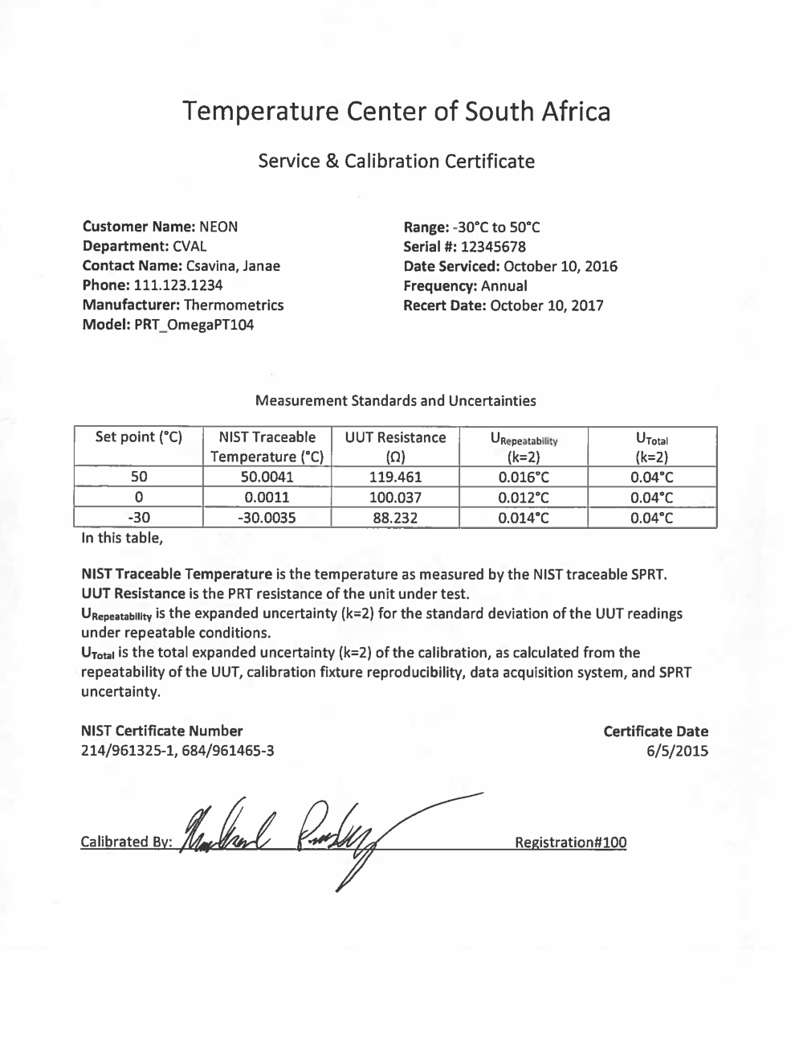
Description: Your temperature sensor is out of calibration, but you have acquired a temperature sensor that has just recently been calibrated with the below calibration certificate. Find the new expanded measurement uncertainty with a confidence level of 95% for the sensor out of calibration.

Example Application: Temperature sensor reading in °C

Food for Thought: (1) What additional data would you want to collect? (2) What is another component of uncertainty that would be important to consider between calibration or validation cycles?

Data:
Date | Time | Out-of-Cal Sensor (°C) | Validation Sensor (°C)
14-Oct-16 | 1:00:00 | 25.1788 | 25.1766
 | 1:00:01 | 25.1785 | 25.1769
 | 1:00:02 | 25.1783 | 25.1765
 | 1:00:03 | 25.1787 | 25.1769
 | 1:00:04 | 25.1783 | 25.1767
 | 1:00:05 | 25.1779 | 25.1761
 | 1:00:06 | 25.1775 | 25.1763
 | 1:00:07 | 25.1773 | 25.1758
 | 1:00:08 | 25.1768 | 25.1752
 | 1:00:09 | 25.1764 | 25.1749
 | 1:00:10 | 25.1763 | 25.1752
 | 1:00:11 | 25.1763 | 25.1753
 | 1:00:12 | 25.1759 | 25.1749
 | 1:00:13 | 25.176 | 25.1751
 | 1:00:14 | 25.1758 | 25.1748
 | 1:00:15 | 25.1757 | 25.1747
 | 1:00:16 | 25.1756 | 25.1748
 | 1:00:17 | 25.1752 | 25.1752
 | 1:00:18 | 25.1757 | 25.1748
 | 1:00:19 | 25.1755 | 25.1746
 | 1:00:20 | 25.1753 | 25.1748
 | 1:00:21 | 25.1751 | 25.1741
 | 1:00:22 | 25.1748 | 25.1750
 | 1:00:23 | 25.1751 | 25.1750
 | 1:00:24 | 25.1754 | 25.1752
 | 1:00:25 | 25.1756 | 25.1752
 | 1:00:26 | 25.1754 | 25.1752
 | 1:00:27 | 25.1756 | 25.1751
 | 1:00:28 | 25.1752 | 25.1747
 | 1:00:29 | 25.1749 | 25.1750
 | 1:00:30 | 25.1752 | 25.1751
 | 1:00:31 | 25.1752 | 25.1752
 | 1:00:32 | 25.175 | 25.1748
 | 1:00:33 | 25.175 | 25.1746
 | 1:00:34 | 25.1747 | 25.1747
 | 1:00:35 | 25.175 | 25.1746
 | 1:00:36 | 25.1749 | 25.1743
 | 1:00:37 | 25.1745 | 25.1745
 | 1:00:38 | 25.1744 | 25.1740
 | 1:00:39 | 25.1743 | 25.1742
 | 1:00:40 | 25.1741 | 25.1744
 | 1:00:41 | 25.1736 | 25.1741
 | 1:00:42 | 25.1736 | 25.1740
 | 1:00:43 | 25.1741 | 25.1745
 | 1:00:44 | 25.1742 | 25.1740
 | 1:00:45 | 25.1737 | 25.1743
 | 1:00:46 | 25.1741 | 25.1748
 | 1:00:47 | 25.1745 | 25.1745
 | 1:00:48 | 25.1742 | 25.1751
 | 1:00:49 | 25.1743 | 25.1755
 | 1:00:50 | 25.1745 | 25.1755
 | 1:00:51 | 25.1749 | 25.1754
 | 1:00:52 | 25.1747 | 25.1752
 | 1:00:53 | 25.1746 | 25.1759
 | 1:00:54 | 25.175 | 25.1760
 | 1:00:55 | 25.1751 | 25.1758
 | 1:00:56 | 25.1756 | 25.1761
 | 1:00:57 | 25.1754 | 25.1763
 | 1:00:58 | 25.1756 | 25.1755
 | 1:00:59 | 25.1755 | 25.1760
 | 1:01:00 | 25.1751 | 25.1759
 | 1:01:01 | 25.1752 | 25.1763
 | 1:01:02 | 25.1753 | 25.1762
 | 1:01:03 | 25.1756 | 25.1768
 | 1:01:04 | 25.1759 | 25.1763
 | 1:01:05 | 25.1755 | 25.1766
 | 1:01:06 | 25.1761 | 25.1767
 | 1:01:07 | 25.1763 | 25.1769
 | 1:01:08 | 25.1764 | 25.1774
 | 1:01:09 | 25.1761 | 25.1771
 | 1:01:10 | 25.1764 | 25.1775
 | 1:01:11 | 25.1765 | 25.1770
 | 1:01:12 | 25.177 | 25.1776
 | 1:01:13 | 25.1765 | 25.1780
 | 1:01:14 | 25.1767 | 25.1775
 | 1:01:15 | 25.177 | 25.1774
 | 1:01:16 | 25.1761 | 25.1775
 | 1:01:17 | 25.1761 | 25.1780
 | 1:01:18 | 25.1764 | 25.1774
 | 1:01:19 | 25.1766 | 25.1773
 | 1:01:20 | 25.1769 | 25.1780
 | 1:01:21 | 25.177 | 25.1779
 | 1:01:22 | 25.1769 | 25.1781
 | 1:01:23 | 25.1771 | 25.1786
 | 1:01:24 | 25.1777 | 25.1787
 | 1:01:25 | 25.1777 | 25.1790
 | 1:01:26 | 25.1778 | 25.1794
 | 1:01:27 | 25.1783 | 25.1794
 | 1:01:28 | 25.1786 | 25.1795
 | 1:01:29 | 25.179 | 25.1800
 | 1:01:30 | 25.1791 | 25.1799
 | 1:01:31 | 25.1788 | 25.1804
 | 1:01:32 | 25.1795 | 25.1808
 | 1:01:33 | 25.1798 | 25.1808
 | 1:01:34 | 25.1797 | 25.1815
 | 1:01:35 | 25.1796 | 25.1813
 | 1:01:36 | 25.1807 | 25.1815
 | 1:01:37 | 25.1804 | 25.1818
 | 1:01:38 | 25.1809 | 25.1822
 | 1:01:39 | 25.1808 | 25.1822
 | 1:01:40 | 25.1812 | 25.1829
 | 1:01:41 | 25.1818 | 25.1831
 | 1:01:42 | 25.1816 | 25.1831
 | 1:01:43 | 25.1816 | 25.1833
 | 1:01:44 | 25.1815 | 25.1830
 | 1:01:45 | 25.182 | 25.1827
 | 1:01:46 | 25.1821 | 25.1831
 | 1:01:47 | 25.1816 | 25.1834
 | 1:01:48 | 25.1818 | 25.1833
 | 1:01:49 | 25.1824 | 25.1835
 | 1:01:50 | 25.1827 | 25.1836
 | 1:01:51 | 25.1822 | 25.1838
 | 1:01:52 | 25.1823 | 25.1836
 | 1:01:53 | 25.1826 | 25.1842
 | 1:01:54 | 25.1825 | 25.1845
 | 1:01:55 | 25.1827 | 25.1842
 | 1:01:56 | 25.1829 | 25.1841
 | 1:01:57 | 25.1827 | 25.1837
 | 1:01:58 | 25.1823 | 25.1840
 | 1:01:59 | 25.1826 | 25.1841
 | 1:02:00 | 25.1827 | 25.1843
 | 1:02:01 | 25.1825 | 25.1836
...

1e Solution
...
1:00:00 | 25.1788 | 25.1766 | 0.0022 | 5.0090548179E-06 | Validation Sensor Uncertainty | 0.020 | From the Validation Sensor Calibration Certificate: |  | Validation Uncertainty Budget | n | Uncertainty (°C)
1:00:01 | 25.1785 | 25.1769 | 0.0016 | 2.4634886655E-06 | Average Error | -0.00119 |  |  | Validation Sensor Calibration Uncertainty | 100 | 0.020
1:00:02 | 25.1783 | 25.1765 | 0.0018 | 3.0888526139E-06 | Validation Repeatability (SSE) | 0.0015228310258 | Expanded Uncertainty | 0.040 | Validation Repeatability | 300 | 0.0015228310258
1:00:03 | 25.1787 | 25.1769 | 0.0018 | 3.3605992674E-06 | Sensor repeatability | 0.008 | Coverage Factor | 2 | Measurement Uncertainty Budget
1:00:04 | 25.1783 | 25.1767 | 0.0016 | 2.6852823826E-06 | Count | 300 | Calibration Uncertainty | 0.020 | Validation Uncertainty | 100 | 0.020
1:00:05 | 25.1779 | 25.1761 | 0.0018 | 3.3329764856E-06 |  |  | Expanded Sensor Repeatability | 0.016 | Sensor Repeatability | 100 | 0.0080
1:00:06 | 25.1775 | 25.1763 | 0.0012 | 1.4749262416E-06 |  |  | Coverage Factor | 2 | Combined Uncertainty |  | 0.022
1:00:07 | 25.1773 | 25.1758 | 0.0015 | 2.3331483402E-06 |  |  | Sensor Repeatability | 0.008 | Degrees of Freedom | 130
1:00:08 | 25.1768 | 25.1752 | 0.0016 | 2.5805489235E-06 |  |  |  |  | Expansion Factor | 1.98
1:00:09 | 25.1764 | 25.1749 | 0.0015 | 2.155905543E-06 |  |  |  |  | Expanded Uncertainty |  | 0.043
1:00:00 | 25.1788 | 25.1766
1:00:01 | 25.1785 | 25.1769
1:00:02 | 25.1783 | 25.1765
1:00:03 | 25.1787 | 25.1769
1:00:04 | 25.1783 | 25.1767
1:00:05 | 25.1779 | 25.1761
1:00:06 | 25.1775 | 25.1763
1:00:07 | 25.1773 | 25.1758
1:00:08 | 25.1768 | 25.1752
1:00:09 | 25.1764 | 25.1749
1:00:10 | 25.1763 | 25.1752
1:00:11 | 25.1763 | 25.1753
1:00:12 | 25.1759 | 25.1749
1:00:13 | 25.176 | 25.1751
1:00:14 | 25.1758 | 25.1748
1:00:15 | 25.1757 | 25.1747
1:00:16 | 25.1756 | 25.1748
1:00:17 | 25.1752 | 25.1752
1:00:18 | 25.1757 | 25.1748
1:00:19 | 25.1755 | 25.1746
1:00:20 | 25.1753 | 25.1748
1:00:21 | 25.1751 | 25.1741
1:00:22 | 25.1748 | 25.1750
1:00:23 | 25.1751 | 25.1750
1:00:24 | 25.1754 | 25.1752
1:00:25 | 25.1756 | 25.1752
1:00:26 | 25.1754 | 25.1752
1:00:27 | 25.1756 | 25.1751
1:00:28 | 25.1752 | 25.1747
1:00:29 | 25.1749 | 25.1750
1:00:30 | 25.1752 | 25.1751
1:00:31 | 25.1752 | 25.1752
1:00:32 | 25.175 | 25.1748
1:00:33 | 25.175 | 25.1746
1:00:34 | 25.1747 | 25.1747
1:00:35 | 25.175 | 25.1746
1:00:36 | 25.1749 | 25.1743
1:00:37 | 25.1745 | 25.1745
1:00:38 | 25.1744 | 25.1740
1:00:39 | 25.1743 | 25.1742
1:00:40 | 25.1741 | 25.1744
1:00:41 | 25.1736 | 25.1741
1:00:42 | 25.1736 | 25.1740
1:00:43 | 25.1741 | 25.1745
1:00:44 | 25.1742 | 25.1740
1:00:45 | 25.1737 | 25.1743
1:00:46 | 25.1741 | 25.1748
1:00:47 | 25.1745 | 25.1745
1:00:48 | 25.1742 | 25.1751
1:00:49 | 25.1743 | 25.1755
...
1:00:10 | 25.1763 | 25.1752 | 0.0011 | 1.2234536153E-06
1:00:11 | 25.1763 | 25.1753 | 0.0010 | 9.6680011889E-07
1:00:12 | 25.1759 | 25.1749 | 0.0010 | 9.9365927545E-07
1:00:13 | 25.176 | 25.1751 | 0.0009 | 7.6968828016E-07
1:00:14 | 25.1758 | 25.1748 | 0.0010 | 1.0381311058E-06
1:00:15 | 25.1757 | 25.1747 | 0.0010 | 1.0388759383E-06
1:00:16 | 25.1756 | 25.1748 | 0.0008 | 6.7011041643E-07
1:00:17 | 25.1752 | 25.1752 | 0.0000 | 1.7138159347E-09
1:00:18 | 25.1757 | 25.1748 | 0.0009 | 8.4806477762E-07
1:00:19 | 25.1755 | 25.1746 | 0.0009 | 8.7539575968E-07
1:00:20 | 25.1753 | 25.1748 | 0.0005 | 2.7746434919E-07
1:00:21 | 25.1751 | 25.1741 | 0.0010 | 9.4956516209E-07
1:00:22 | 25.1748 | 25.1750 | -0.0002 | 3.3501191327E-08
1:00:23 | 25.1751 | 25.1750 | 0.0001 | 2.0987435746E-08
1:00:24 | 25.1754 | 25.1752 | 0.0002 | 4.4275362515E-08
1:00:25 | 25.1756 | 25.1752 | 0.0004 | 1.4269885812E-07
1:00:26 | 25.1754 | 25.1752 | 0.0002 | 5.2683189475E-08
25.1788 | 25.1766
25.1785 | 25.1769
25.1783 | 25.1765
25.1787 | 25.1769
25.1783 | 25.1767
25.1779 | 25.1761
25.1775 | 25.1763
25.1773 | 25.1758
25.1768 | 25.1752
25.1764 | 25.1749
25.1763 | 25.1752
25.1763 | 25.1753
25.1759 | 25.1749
25.176 | 25.1751
25.1758 | 25.1748
25.1757 | 25.1747
25.1756 | 25.1748
25.1752 | 25.1752
25.1757 | 25.1748
25.1755 | 25.1746
25.1753 | 25.1748
25.1751 | 25.1741
25.1748 | 25.1750
25.1751 | 25.1750
25.1754 | 25.1752
25.1756 | 25.1752
25.1754 | 25.1752
25.1756 | 25.1751
25.1752 | 25.1747
25.1749 | 25.1750
25.1752 | 25.1751
25.1752 | 25.1752
25.175 | 25.1748
25.175 | 25.1746
25.1747 | 25.1747
25.175 | 25.1746
25.1749 | 25.1743
25.1745 | 25.1745
25.1744 | 25.1740
25.1743 | 25.1742
25.1741 | 25.1744
25.1736 | 25.1741
25.1736 | 25.1740
25.1741 | 25.1745
25.1742 | 25.1740
25.1737 | 25.1743
25.1741 | 25.1748
25.1745 | 25.1745
25.1742 | 25.1751
25.1743 | 25.1755
...
1:00:27 | 25.1756 | 25.1751 | 0.0005 | 2.4125793827E-07
1:00:28 | 25.1752 | 25.1747 | 0.0005 | 2.6737207469E-07
1:00:29 | 25.1749 | 25.1750 | -0.0001 | 1.834050645E-08
1:00:30 | 25.1752 | 25.1751 | 0.0001 | 1.6872359702E-08
1:00:31 | 25.1752 | 25.1752 | 0.0000 | 2.3432475763E-11
1:00:32 | 25.175 | 25.1748 | 0.0002 | 4.0845858454E-08
1:00:33 | 25.175 | 25.1746 | 0.0004 | 1.9218838902E-07
1:00:34 | 25.1747 | 25.1747 | 0.0000 | 9.494026354E-10
1:00:35 | 25.175 | 25.1746 | 0.0004 | 1.6100715775E-07
1:00:36 | 25.1749 | 25.1743 | 0.0006 | 3.3920685662E-07
1:00:37 | 25.1745 | 25.1745 | 0.0000 | 2.0776024418E-12
1:00:38 | 25.1744 | 25.1740 | 0.0004 | 1.4431676865E-07
1:00:39 | 25.1743 | 25.1742 | 0.0001 | 1.2040009073E-08
1:00:40 | 25.1741 | 25.1744 | -0.0003 | 8.7276566104E-08
1:00:41 | 25.1736 | 25.1741 | -0.0005 | 2.2988176402E-07
1:00:42 | 25.1736 | 25.1740 | -0.0004 | 1.3282910701E-07
1:00:43 | 25.1741 | 25.1745 | -0.0004 | 1.2434790204E-07
1:00:44 | 25.1742 | 25.1740 | 0.0002 | 2.4674541284E-08
1:00:45 | 25.1737 | 25.1743 | -0.0006 | 3.1370859726E-07
1:00:46 | 25.1741 | 25.1748 | -0.0007 | 5.3284701469E-07
1:00:47 | 25.1745 | 25.1745 | 0.0000 | 2.685954894E-10
1:00:48 | 25.1742 | 25.1751 | -0.0009 | 7.549713934E-07
1:00:49 | 25.1743 | 25.1755 | -0.0012 | 1.3974673719E-06
1:00:50 | 25.1745 | 25.1755 | -0.0010 | 1.0601287338E-06
1:00:51 | 25.1749 | 25.1754 | -0.0005 | 2.8536906267E-07
1:00:52 | 25.1747 | 25.1752 | -0.0005 | 2.0764378708E-07
...

Exercise 2a
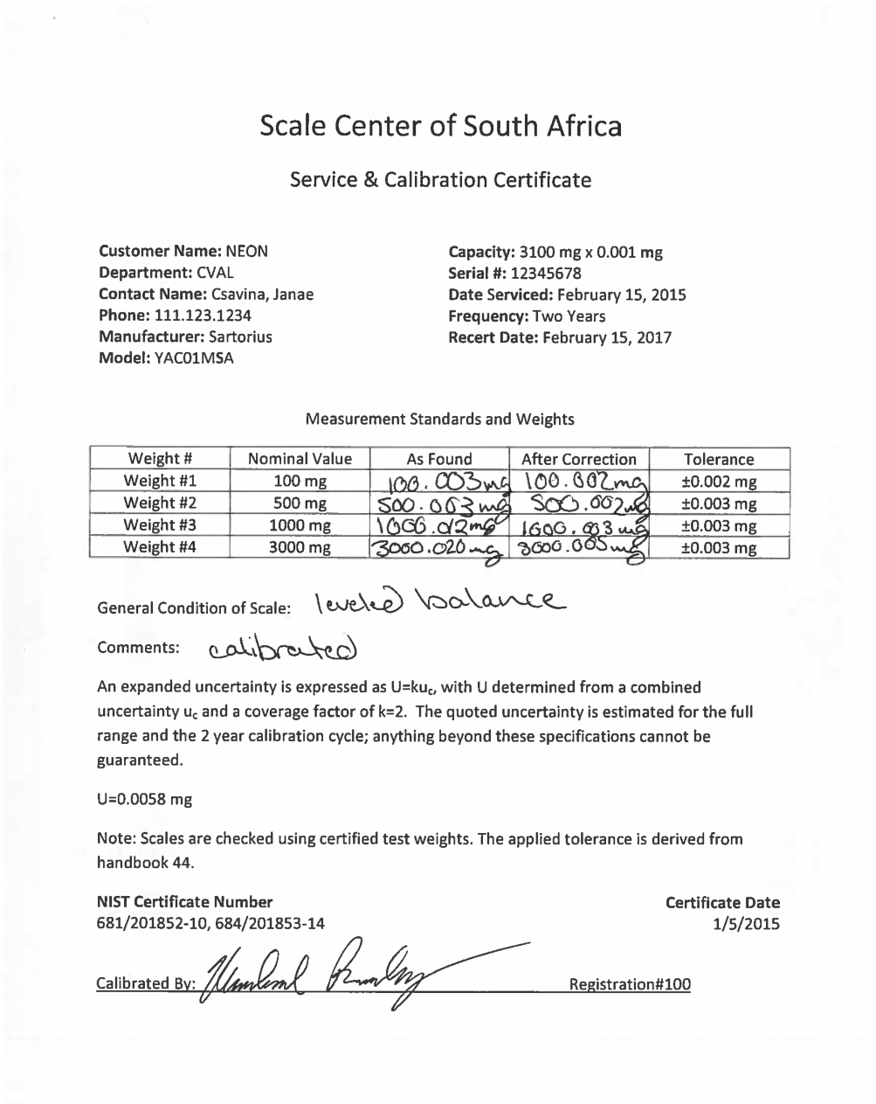
...

2a Solution
...
Food for Thought: (1) Do you use standard deviation or standard error for this analysis? (2) What additional information might you need to ensure this is a proper analysis?
18-Apr-15 | 135.1755 | 134.9838 | 1 | Degrees of Freedom | 79
24-Apr-15 | 135.0218 | 135.1489375 | 3 | Expansion Factor | 1.99
30-Apr-15 | 135.2287 | 135.314075 | 9 | Expanded Uncertainty |  | 0.49
6-May-15 | 135.4849 | 135.4792125 | 22
12-May-15 | 135.7920 | 135.64435 | 20
18-May-15 | 134.9838 | 135.8094875 | 13
24-May-15 | 135.5607 | 135.974625 | 10
30-May-15 | 135.6500 | 136.1397625 | 0
5-Jun-15 | 135.8347 | More | 2
11-Jun-15 | 135.5308
Histogram
17-Jun-15 | 135.5665
23-Jun-15 | 135.3603
29-Jun-15 | 136.1732
5-Jul-15 | 135.6407
11-Jul-15 | 135.6118
17-Jul-15 | 135.8227
23-Jul-15 | 135.4522
29-Jul-15 | 135.3028
4-Aug-15 | 135.3277
10-Aug-15 | 135.7973
16-Aug-15 | 135.6123
22-Aug-15 | 135.3364
28-Aug-15 | 135.2869
3-Sep-15 | 135.8288
9-Sep-15 | 135.4157
15-Sep-15 | 135.8036
21-Sep-15 | 135.7351
 | 135.4500
 | 136.3049
 | 135.7995
 | 135.4888
 | 135.3573
 | 135.4784
 | 135.5135
 | 135.5215
 | 135.1755
 | 135.0218
 | 135.2287
 | 135.4849
 | 135.7920
 | 134.9838
 | 135.5607
 | 135.6500
 | 135.8347
 | 135.5308
 | 135.5665
 | 135.3603
 | 136.1732
 | 135.6407
 | 135.6118
 | 135.8227
 | 135.4522
 | 135.3028
 | 135.3277
 | 135.7973
 | 135.6123
 | 135.3364
 | 135.2869
 | 135.8288
 | 135.4157
 | 135.8036
 | 135.7351
 | 135.4009
 | 135.6633
 | 135.1611
 | 135.6099
 | 135.4695
 | 135.1065
 | 135.7834
 | 135.3693
 | 135.7481
 | 135.1147
 | 135.5721
 | 135.5737
 | 135.4232
 | 135.5323
 | 135.8480
...
27-Sep-15 | 135.4009
3-Oct-15 | 135.6633
9-Oct-15 | 135.1611
15-Oct-15 | 135.6099
21-Oct-15 | 135.4695
27-Oct-15 | 135.1065
2-Nov-15 | 135.7834
8-Nov-15 | 135.3693
14-Nov-15 | 135.7481
20-Nov-15 | 135.1147
26-Nov-15 | 135.5721
2-Dec-15 | 135.5737
8-Dec-15 | 135.4232
14-Dec-15 | 135.5323
20-Dec-15 | 135.8480
26-Dec-15 | 135.3074
1-Jan-16 | 135.5799
7-Jan-16 | 135.3380
13-Jan-16 | 135.9204
19-Jan-16 | 135.3368
25-Jan-16 | 135.5622
31-Jan-16 | 135.6835
6-Feb-16 | 135.4802
12-Feb-16 | 135.8103
18-Feb-16 | 135.7168
24-Feb-16 | 135.5580
...

Exercise 2b
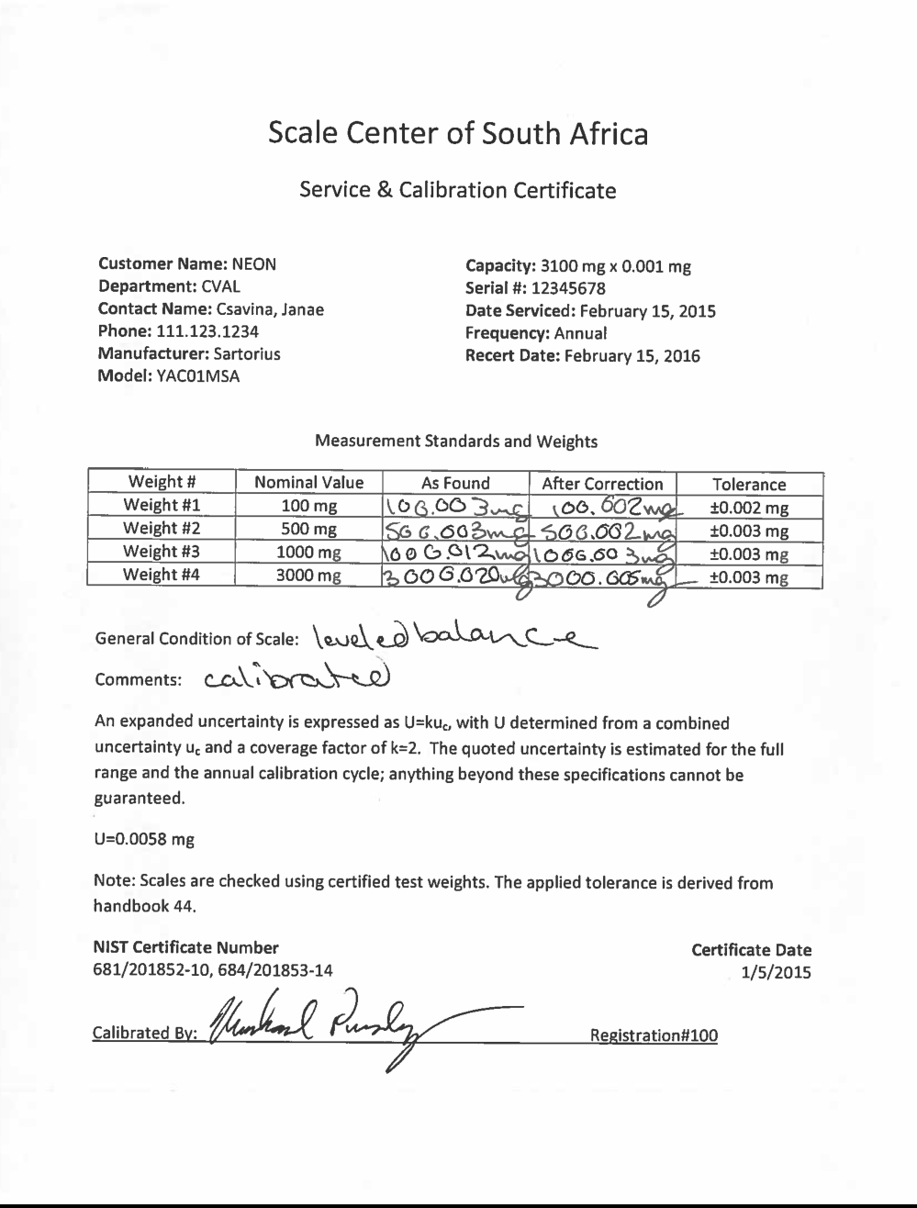
...

2b Solution
...
Food for Thought: (1) What is wrong with this uncertainty analysis? (2) How could you compute uncertainty for the calibration if the expanded uncertainty was not provided?
18-Apr-15 | 135.1755 | 134.9838 | 1 | Combined Uncertainty |  | 0.19% | Combined Uncertainty
24-Apr-15 | 135.0218 | 135.17252857 | 4 | Degrees of Freedom | 58 |  | Degrees of Freedom | 58
30-Apr-15 | 135.2287 | 135.36125714 | 11 | Expansion Factor | 2.00 |  | Expansion Factor | 2.00
6-May-15 | 135.4849 | 135.54998571 | 15 | Expanded Uncertainty |  | 0.38% | Expanded Uncertainty
12-May-15 | 135.7920 | 135.73871429 | 14
18-May-15 | 134.9838 | 135.92744286 | 12
24-May-15 | 135.5607 | 136.11617143 | 0
30-May-15 | 135.6500 | More | 2
5-Jun-15 | 135.8347
11-Jun-15 | 135.5308
Histogram
17-Jun-15 | 135.5665
23-Jun-15 | 135.3603
29-Jun-15 | 136.1732
5-Jul-15 | 135.6407
11-Jul-15 | 135.6118
17-Jul-15 | 135.8227
23-Jul-15 | 135.4522
29-Jul-15 | 135.3028
4-Aug-15 | 135.3277
10-Aug-15 | 135.7973
16-Aug-15 | 135.6123
22-Aug-15 | 135.3364
28-Aug-15 | 135.2869
3-Sep-15 | 135.8288
9-Sep-15 | 135.4157
15-Sep-15 | 135.8036
21-Sep-15 | 135.7351
27-Sep-15 | 135.4009
3-Oct-15 | 135.6633
9-Oct-15 | 135.1611
15-Oct-15 | 135.6099
21-Oct-15 | 135.4695
27-Oct-15 | 135.1065
2-Nov-15 | 135.7834
8-Nov-15 | 135.3693
14-Nov-15 | 135.7481
20-Nov-15 | 135.1147
26-Nov-15 | 135.5721
2-Dec-15 | 135.5737
8-Dec-15 | 135.4232
...

2c Solution
...
Data:
18-Apr-15 | 135.1892 | 9 |  |  | 135.1126 | 1 | Repeatability | 10 | 0.13
24-Apr-15 | 135.1752 | 10 |  |  | 135.2067375 | 9 | Combined Uncertainty |  | 0.13
30-Apr-15 | 135.3038 | 1 | average | 135.2167 | 135.300875 | 10 | Degrees of Freedom | 9
6-May-15 | 135.3566 | 2 | standard deviation | 0.10822521785 | 135.3950125 | 10 | Expansion Factor | 2.26
12-May-15 | 135.1603 | 3 | count | 10 | 135.48915 | 9 | Expanded Uncertainty |  | 0.29
18-May-15 | 135.0780 | 4 |  |  | 135.5832875 | 11
24-May-15 | 135.1800 | 5 |  |  | 135.677425 | 8
30-May-15 | 135.0365 | 6 |  |  | 135.7715625 | 11
5-Jun-15 | 135.1706 | 7 |  |  | More | 10
11-Jun-15 | 135.2884 | 8
Histogram
17-Jun-15 | 135.3284 | 9
23-Jun-15 | 135.2644 | 10
29-Jun-15 | 135.3803 | 1 | average | 135.4069
5-Jul-15 | 135.3754 | 2 | standard deviation | 0.11230110764
11-Jul-15 | 135.4352 | 3 | count | 10
17-Jul-15 | 135.6302 | 4
23-Jul-15 | 135.1825 | 5
29-Jul-15 | 135.3576 | 6
4-Aug-15 | 135.3909 | 7
10-Aug-15 | 135.4013 | 8
16-Aug-15 | 135.4958 | 9
22-Aug-15 | 135.4197 | 10
28-Aug-15 | 135.2755 | 1 | average | 135.4564
3-Sep-15 | 135.5060 | 2 | standard deviation | 0.12853913542
9-Sep-15 | 135.5438 | 3 | count | 10
15-Sep-15 | 135.4825 | 4
21-Sep-15 | 135.6096 | 5
27-Sep-15 | 135.4635 | 6
3-Oct-15 | 135.2128 | 7
9-Oct-15 | 135.3872 | 8
15-Oct-15 | 135.5019 | 9
21-Oct-15 | 135.5808 | 10
27-Oct-15 | 135.5144 | 1 | average | 135.5469
2-Nov-15 | 135.5974 | 2 | standard deviation | 0.083403466488
8-Nov-15 | 135.6012 | 3 | count | 10
14-Nov-15 | 135.5755 | 4
20-Nov-15 | 135.5927 | 5
26-Nov-15 | 135.4522 | 6
...

Exercise 2e
Description: The scientist was happy with this analysis from scenario 2a and utilizes the average as his blank reading for the collection on July 26, 2016. Below is his final weight. What is the expanded measurement uncertainty with a confidence level of 95% of the dust weight?

Example Application: PM10 particulate collection filters.

Food for Thought: How could you reduce the uncertainty of the measurement?

$$Y=X_{2}−\overline{X_{1}}$$
Measurement Equation:

Y = dust weight
X2 = final filter weight
$\overline{X_{1}}$= estimated initial filter weight

Data:
Date | Weigh number | Post-filter weight (mg)
2016-07-26 | 1 | 138.9665
 | 2 | 138.9645
 | 3 | 138.9660
 | 4 | 138.9654
 | 5 | 138.9647
 | 6 | 138.9641
 | 7 | 138.9652
 | 8 | 138.9640
...

2e Solution
Description: The scientist was happy with this analysis from scenario 2a and utilizes the average as his blank reading for the collection on July 26, 2016. Below is his final weight. What is the expanded measurement uncertainty with a confidence level of 95% of the dust weight?

Example Application: PM10 particulate collection filters.

Food for Thought: How could you reduce the uncertainty of the measurement?
 | Answer: Take an actual average measurement of the intial filter weight. See Exercise 2b for the comparison.

$$Y=X_{2}−\overline{X_{1}}$$
Measurement Equation:

Y = dust weight
X2 = final filter weight
$\overline{X_{1}}$= estimated initial filter weight

Data: |  |  | Post-filter Weight Analysis |  | Pre-filter Weight Analysis (from 2a)
Date | Weigh number | Post-filter weight (mg) | average | 138.9651 | average | 135.53371125
2016-07-26 | 1 | 138.9665 | standard deviation | 0.00081 | standard deviation | 0.24818900056
 | 2 | 138.9645 | count | 10 | count | 80
 | 3 | 138.9660 | standard error | 0.00025508168626
 | 4 | 138.9654
 | 5 | 138.9647 | From the Scale Calibration Certificate: |  | From the Scale Calibration Certificate:
 | 6 | 138.9641
 | 7 | 138.9652 | Expanded Uncertainty | 0.0058 | Expanded Uncertainty | 0.0058
 | 8 | 138.9640 | Coverage Factor | 2 | Coverage Factor | 2
...

Exercise 2f
Description: The scientist decided to do a comparison in uncertainty analysis between using an average estimate for the blank reading and using the average of the actual blank filter for the collection on July 26, 2016. Below includes both pre and post-field weights. What is the expanded measurement uncertainty with a confidence level of 95% of the dust weight?

Example Application: PM10 particulate collection filters.

Food for Thought: Compare results from 2a and 2b. Is the lowest uncertainty always the best practice?

$$Y=X_{2}−\overline{X_{1}}$$
Measurement Equation:

Y = dust weight
X2 = final filter weight
$\overline{X_{1}}$= estimated initial filter weight

Data:
Date | Weigh number | Pre-filter weight (mg) | Date | Weigh number | Post-filter weight (mg)
20-Jul-16 | 1 | 135.4330 | 26-Jul-16 | 1 | 138.9665
 | 2 | 135.4319 |  | 2 | 138.9645
 | 3 | 135.4316 |  | 3 | 138.9660
 | 4 | 135.4322 |  | 4 | 138.9654
 | 5 | 135.4314 |  | 5 | 138.9647
 | 6 | 135.4305 |  | 6 | 138.9641
 | 7 | 135.4306 |  | 7 | 138.9652
 | 8 | 135.4323 |  | 8 | 138.9640
...

2f Solution
Description: The scientist decided to do a comparison in uncertainty analysis between using an average estimate for the blank reading and using the average of the actual blank filter for the collection on July 26, 2016. Below includes both pre and post-field weights. What is the expanded measurement uncertainty with a confidence level of 95% of the dust weight?

Example Application: PM10 particulate collection filters.

Food for Thought: Compare results from 2a and 2b. Is the lowest uncertainty always the best practice?
 | Answer: Depends on the science question requirement. WMO guidelines sometimes has quoted uncertainties for measurements. If WMO requirement for TSP is +/- 1 mg, using a more efficient method still answers the same question.

$$Y=X_{2}−\overline{X_{1}}$$
Measurement Equation:

Y = dust weight
X2 = final filter weight
$\overline{X_{1}}$= estimated initial filter weight

Data:
Date | Weigh number | Pre-filter weight (mg) | Date | Weigh number | Post-filter weight (mg)
20-Jul-16 | 1 | 135.4330 | 26-Jul-16 | 1 | 138.9665
 | 2 | 135.4319 |  | 2 | 138.9645
 | 3 | 135.4316 |  | 3 | 138.9660
 | 4 | 135.4322 |  | 4 | 138.9654
 | 5 | 135.4314 |  | 5 | 138.9647
 | 6 | 135.4305 |  | 6 | 138.9641
 | 7 | 135.4306 |  | 7 | 138.9652
 | 8 | 135.4323 |  | 8 | 138.9640
...

